Throughput by Time
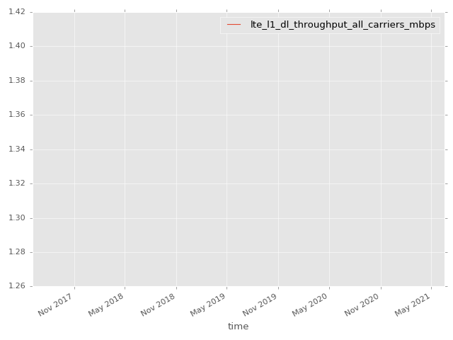
App Throughput by Time Graph | LTE Throughput by Time Graph

lte_l1_dl_throughput_all_carri
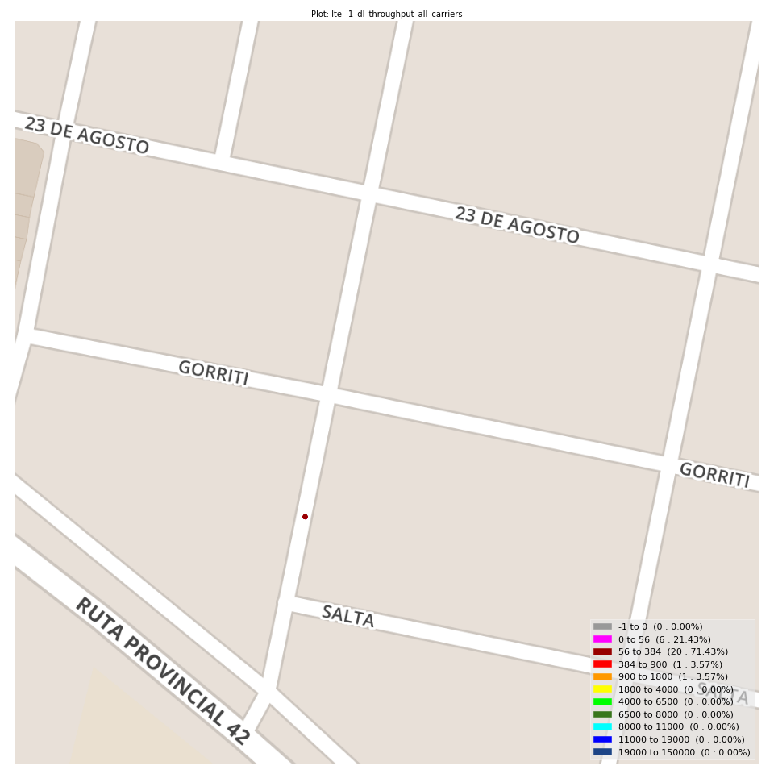
lte_l1_dl_throughput_all_carriers Report

Sampling Distribution Histogram
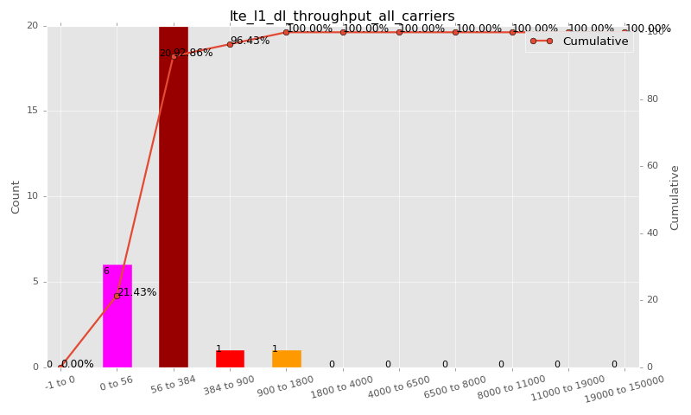

Sampling Distribution Table (first 10 ranges)
ColorXml | Lower | Upper | N Samples | Range | % | Cumulative %
 | -1 | 0 | 0 | -1 to 0 | 0.00 | 0.00
 | 0 | 56 | 6 | 0 to 56 | 21.43 | 21.43
 | 56 | 384 | 20 | 56 to 384 | 71.43 | 92.86
 | 384 | 900 | 1 | 384 to 900 | 3.57 | 96.43
 | 900 | 1800 | 1 | 900 to 1800 | 3.57 | 100.00
 | 1800 | 4000 | 0 | 1800 to 4000 | 0.00 | 100.00
 | 4000 | 6500 | 0 | 4000 to 6500 | 0.00 | 100.00
 | 6500 | 8000 | 0 | 6500 to 8000 | 0.00 | 100.00
 | 8000 | 11000 | 0 | 8000 to 11000 | 0.00 | 100.00
 | 11000 | 19000 | 0 | 11000 to 19000 | 0.00 | 100.00

Basic statistics
N | 28
Mean | 183.47
SD | 250.74
MAX | 1344.00
Median | 128.00
Min | 6.82

Geographical Plot

lte_inst_rsrp_1
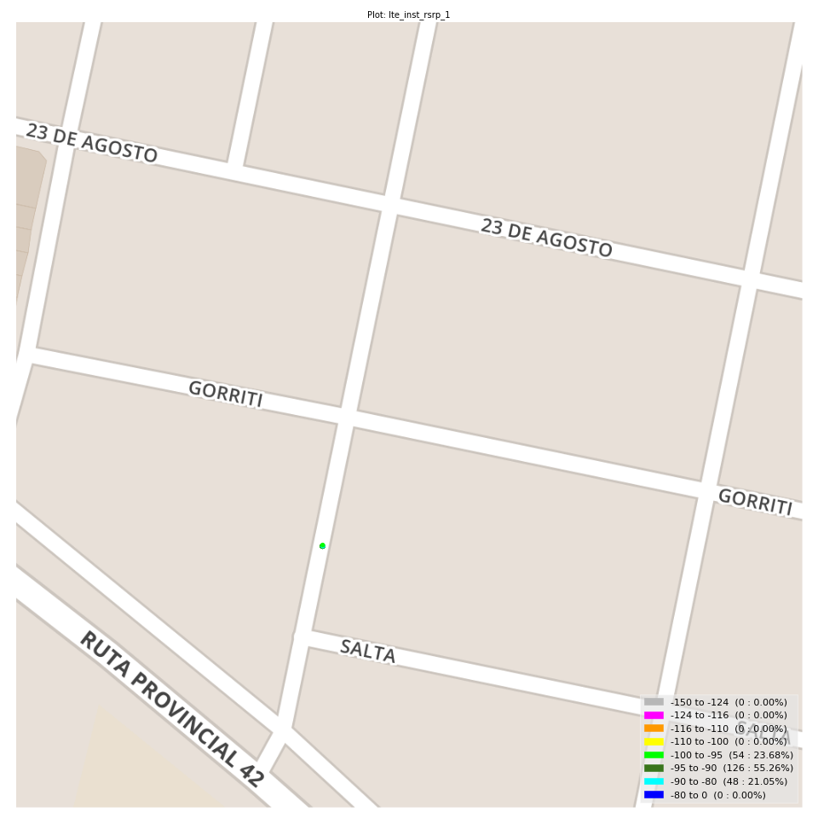
lte_inst_rsrp_1 Report

Sampling Distribution Histogram
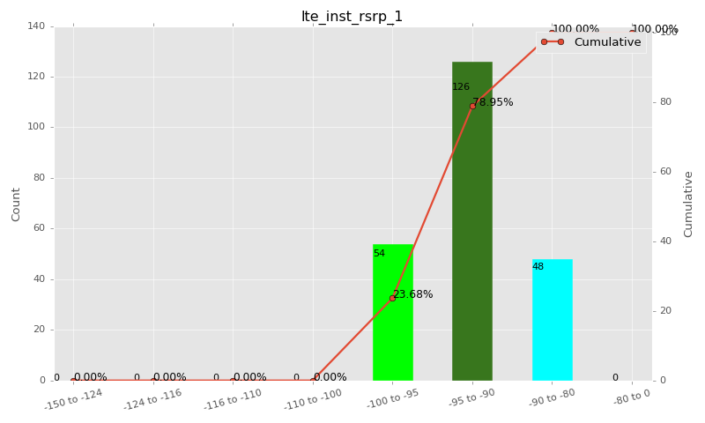

Sampling Distribution Table (first 10 ranges)
ColorXml | Lower | Upper | N Samples | Range | % | Cumulative %
 | -150 | -124 | 0 | -150 to -124 | 0.00 | 0.00
 | -124 | -116 | 0 | -124 to -116 | 0.00 | 0.00
 | -116 | -110 | 0 | -116 to -110 | 0.00 | 0.00
 | -110 | -100 | 0 | -110 to -100 | 0.00 | 0.00
 | -100 | -95 | 54 | -100 to -95 | 23.68 | 23.68
 | -95 | -90 | 126 | -95 to -90 | 55.26 | 78.95
 | -90 | -80 | 48 | -90 to -80 | 21.05 | 100.00
 | -80 | 0 | 0 | -80 to 0 | 0.00 | 100.00

Basic statistics
N | 228
Mean | -92.75
SD | 2.93
MAX | -82.56
Median | -92.88
Min | -99.50

Geographical Plot

lte_inst_rsrq_1
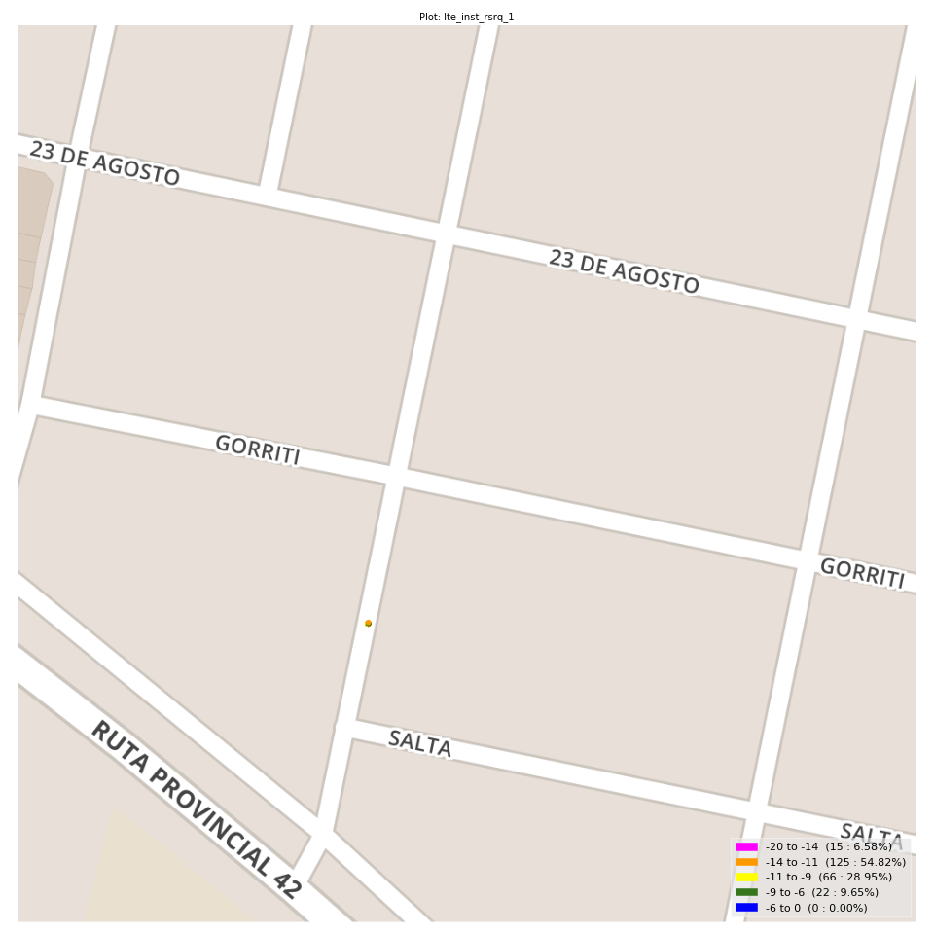
lte_inst_rsrq_1 Report

Sampling Distribution Histogram
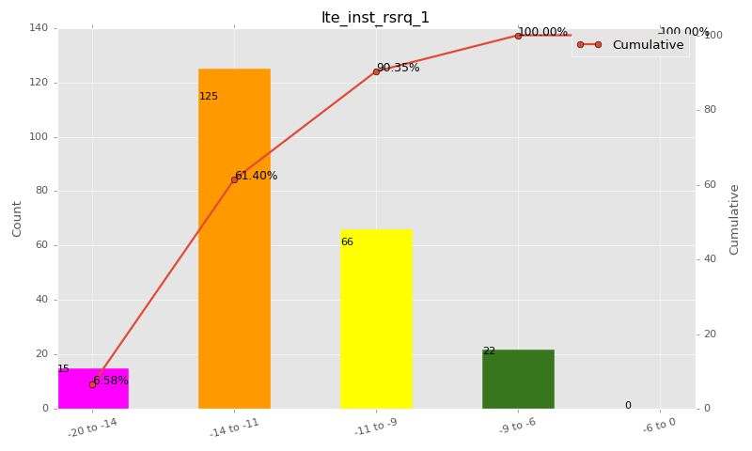

Sampling Distribution Table (first 10 ranges)
ColorXml | Lower | Upper | N Samples | Range | % | Cumulative %
 | -20 | -14 | 15 | -20 to -14 | 6.58 | 6.58
 | -14 | -11 | 125 | -14 to -11 | 54.82 | 61.40
 | -11 | -9 | 66 | -11 to -9 | 28.95 | 90.35
 | -9 | -6 | 22 | -9 to -6 | 9.65 | 100.00
 | -6 | 0 | 0 | -6 to 0 | 0.00 | 100.00

Basic statistics
N | 228
Mean | -11.48
SD | 1.66
MAX | -7.25
Median | -11.56
Min | -15.94

Geographical Plot

lte_inst_rssi_1
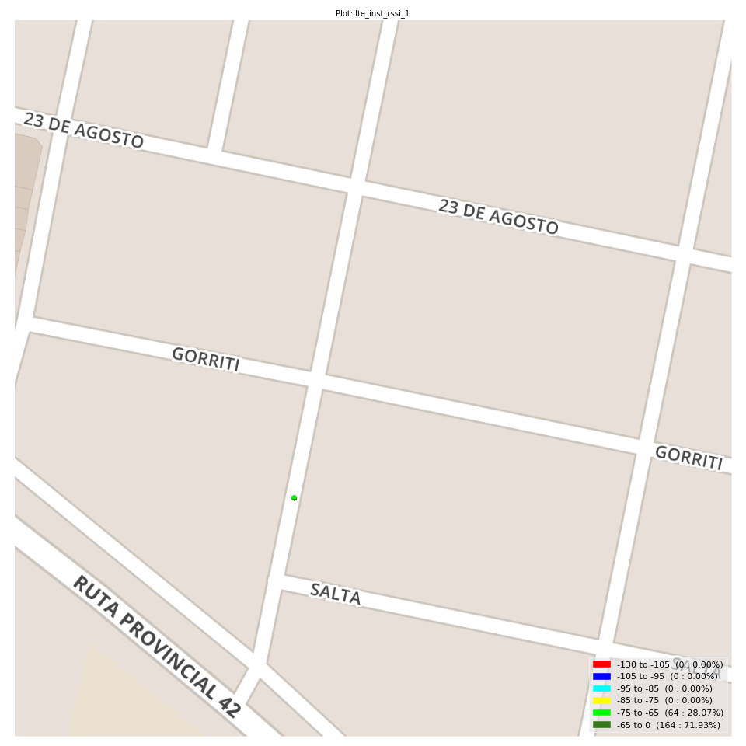
lte_inst_rssi_1 Report

Sampling Distribution Histogram
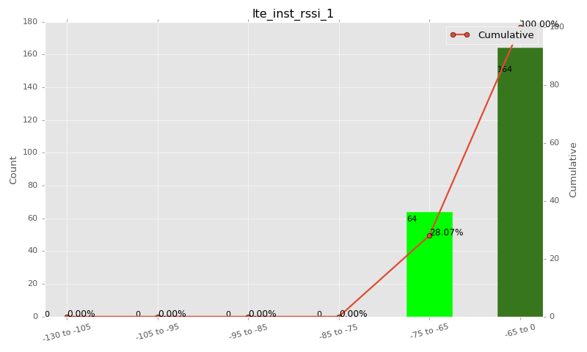

Sampling Distribution Table (first 10 ranges)
ColorXml | Lower | Upper | N Samples | Range | % | Cumulative %
 | -130 | -105 | 0 | -130 to -105 | 0.00 | 0.00
 | -105 | -95 | 0 | -105 to -95 | 0.00 | 0.00
 | -95 | -85 | 0 | -95 to -85 | 0.00 | 0.00
 | -85 | -75 | 0 | -85 to -75 | 0.00 | 0.00
 | -75 | -65 | 64 | -75 to -65 | 28.07 | 28.07
 | -65 | 0 | 164 | -65 to 0 | 71.93 | 100.00

Basic statistics
N | 228
Mean | -63.55
SD | 3.04
MAX | -54.56
Median | -63.62
Min | -70.94

Geographical Plot

lte_sinr_rx0_1
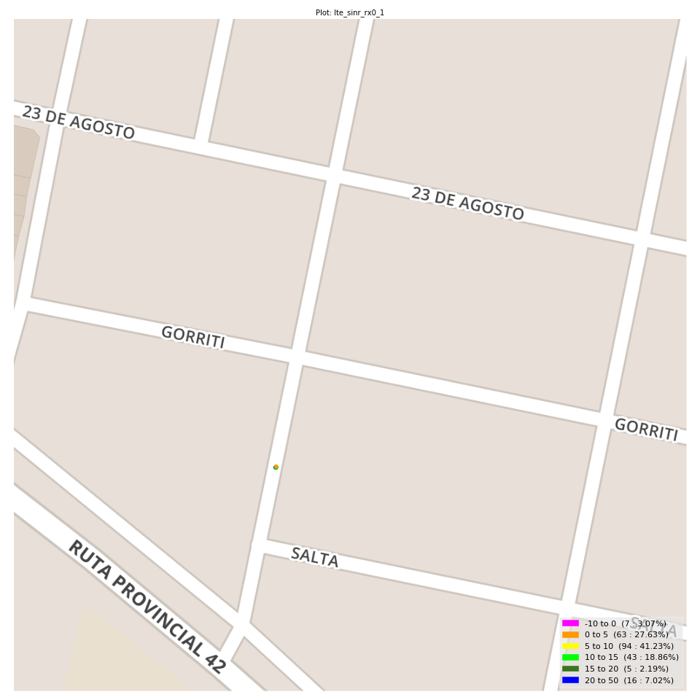
lte_sinr_rx0_1 Report

Sampling Distribution Histogram
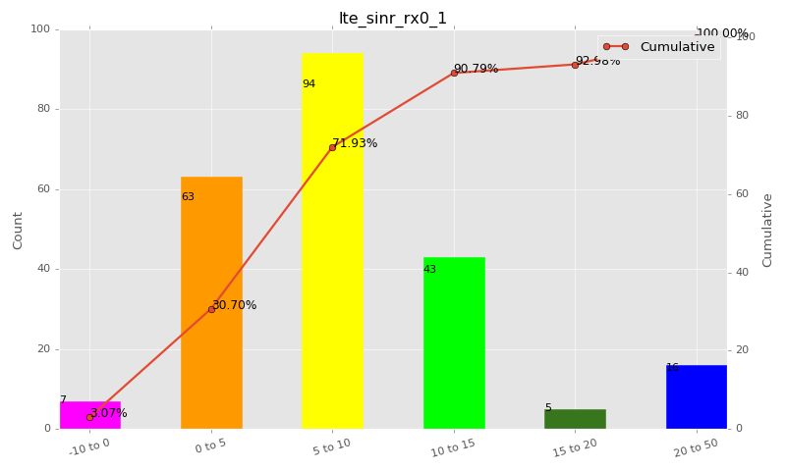

Sampling Distribution Table (first 10 ranges)
ColorXml | Lower | Upper | N Samples | Range | % | Cumulative %
 | -10 | 0 | 7 | -10 to 0 | 3.07 | 3.07
 | 0 | 5 | 63 | 0 to 5 | 27.63 | 30.70
 | 5 | 10 | 94 | 5 to 10 | 41.23 | 71.93
 | 10 | 15 | 43 | 10 to 15 | 18.86 | 90.79
 | 15 | 20 | 5 | 15 to 20 | 2.19 | 92.98
 | 20 | 50 | 16 | 20 to 50 | 7.02 | 100.00

Basic statistics
N | 228
Mean | 8.22
SD | 6.24
MAX | 30.00
Median | 7.00
Min | -7.30

Geographical Plot

lte_sinr_rx1_1
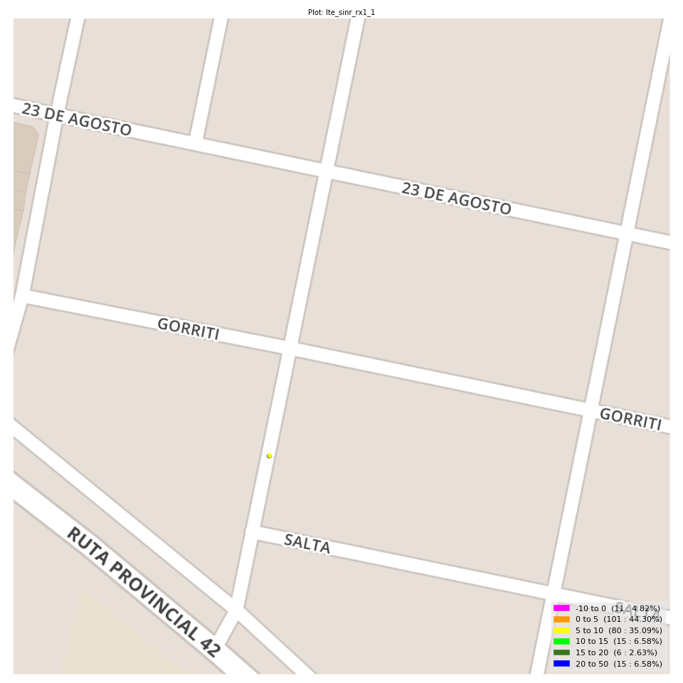
lte_sinr_rx1_1 Report

Sampling Distribution Histogram
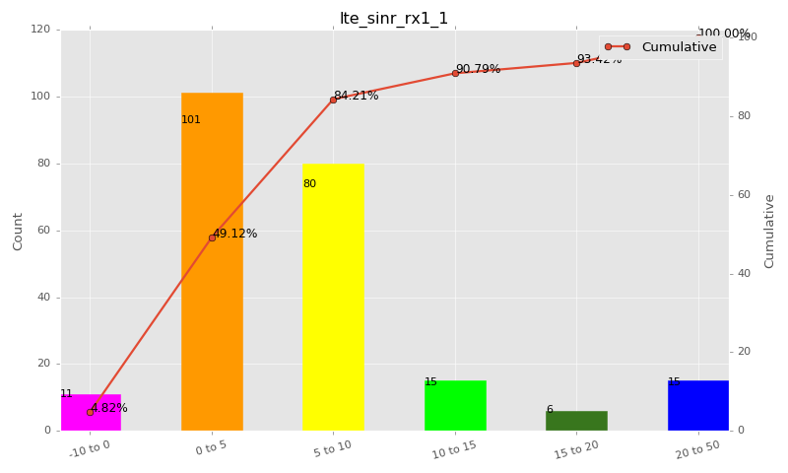

Sampling Distribution Table (first 10 ranges)
ColorXml | Lower | Upper | N Samples | Range | % | Cumulative %
 | -10 | 0 | 11 | -10 to 0 | 4.82 | 4.82
 | 0 | 5 | 101 | 0 to 5 | 44.30 | 49.12
 | 5 | 10 | 80 | 5 to 10 | 35.09 | 84.21
 | 10 | 15 | 15 | 10 to 15 | 6.58 | 90.79
 | 15 | 20 | 6 | 15 to 20 | 2.63 | 93.42
 | 20 | 50 | 15 | 20 to 50 | 6.58 | 100.00

Basic statistics
N | 228
Mean | 6.66
SD | 6.58
MAX | 30.00
Median | 5.00
Min | -4.70

Geographical Plot

lte_physical_cell_id_1
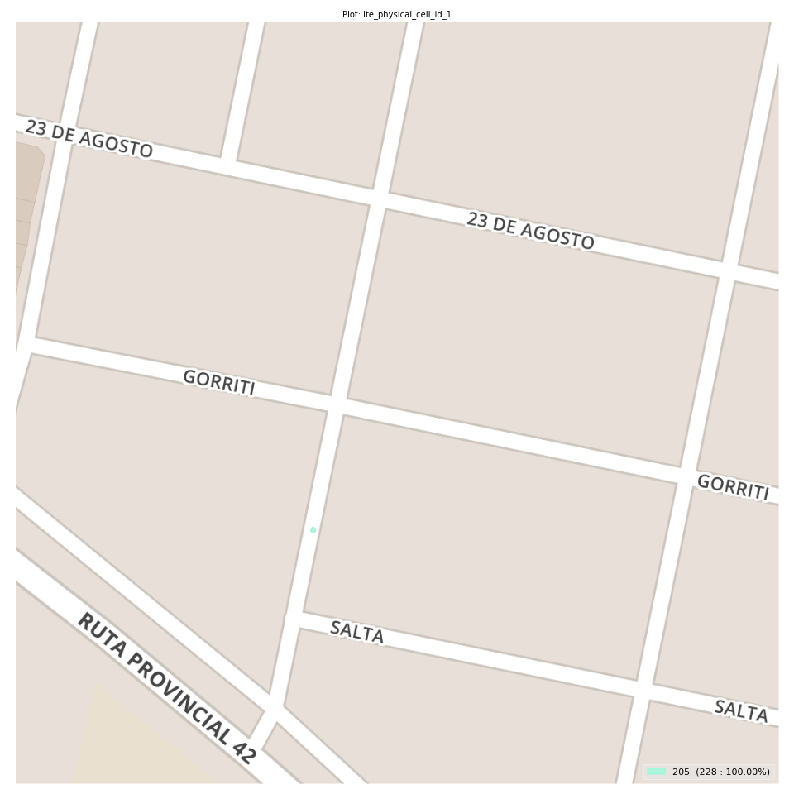
lte_physical_cell_id_1 Report

Sampling Distribution Histogram
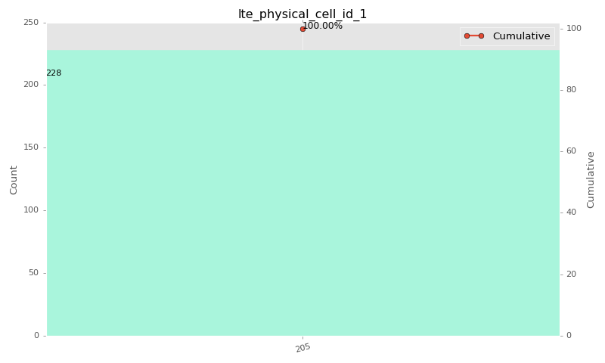

Sampling Distribution Table (first 10 ranges)
ColorXml | Lower | Upper | match_value | N Samples | Range | % | Cumulative %
 |  |  | 205 | 228 |  | 100.00 | 100.00

Basic statistics
N | 228
Mean | N/A (id-type column: lte_physical_cell_id_1)
SD | N/A (id-type column: lte_physical_cell_id_1)
MAX | N/A (id-type column: lte_physical_cell_id_1)
Median | N/A (id-type column: lte_physical_cell_id_1)
Min | N/A (id-type column: lte_physical_cell_id_1)

Geographical Plot

lte_earfcn_1
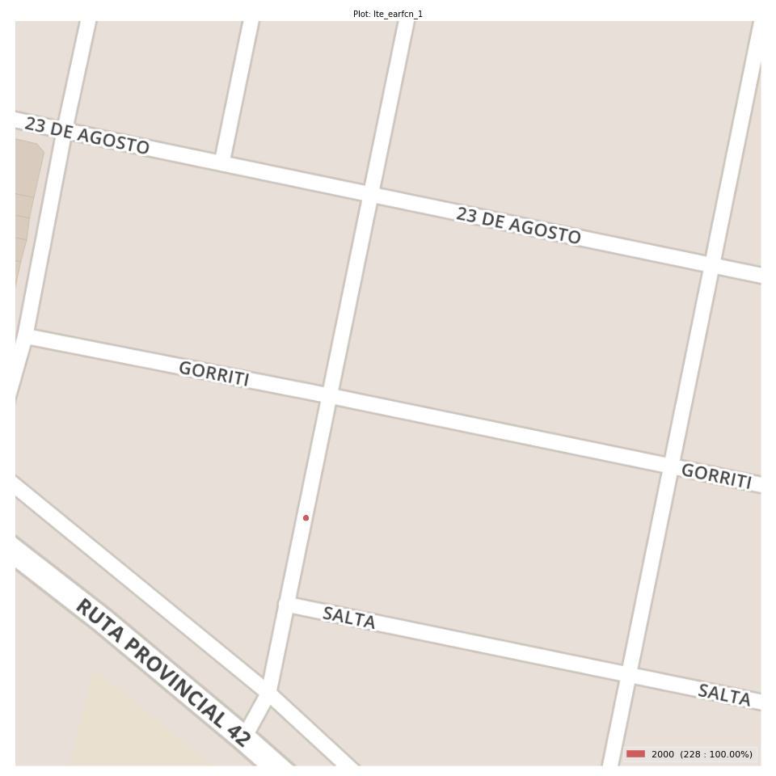
lte_earfcn_1 Report

Sampling Distribution Histogram
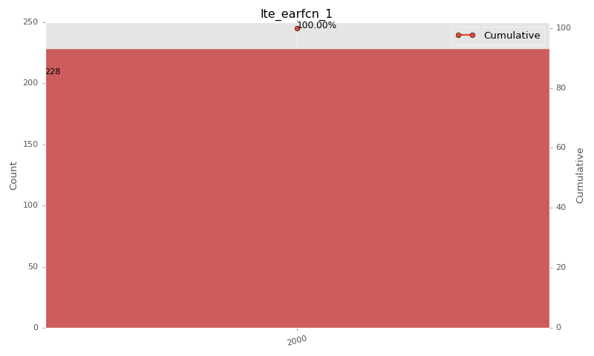

Sampling Distribution Table (first 10 ranges)
ColorXml | Lower | Upper | match_value | N Samples | Range | % | Cumulative %
 |  |  | 2000 | 228 |  | 100.00 | 100.00

Basic statistics
N | 228
Mean | N/A (id-type column: lte_earfcn_1)
SD | N/A (id-type column: lte_earfcn_1)
MAX | N/A (id-type column: lte_earfcn_1)
Median | N/A (id-type column: lte_earfcn_1)
Min | N/A (id-type column: lte_earfcn_1)

Geographical Plot

